1. Title Page
[Project Name]

Project Name: Instacart Grocery Basket Analysis
Date: 05 July 2024
Analyst Name: Michele Giorgetta

Contents:
Population Flow
Consistency checks
Wrangling steps
Column derivations
Visualizations
Recommendations

2. Population Flow
Title page

Population flow

Exclusion flag
Condition: max_order <
Obervations to be removed:
Final total count of order_products_all:

Orders_products_combined
Orders_products_merged
Orders_products_all

Total: 32.404.859
Total 32.434.489
Total: 32.404.859

1.) The grey boxes in the first row of the population flow represent the original data sets as they were when you downloaded them. In the Total fields you need to add the count of the rows when you imported the data set into Jupyter.
2.) The second row of boxes (coloured) represents the data sets after you manipulated them, e.g., removed missing values and duplicates. In the Total fields you need to add the count of the rows after conducting these operations. This offers a visual oveview of how the data flows throughout the data consistency checks.
3.) The third row, where also the arrows are coloured, represents the merges you performed between the datasets. In the Total fields you need to add the count of the rows in the merged datasets, so that you end up with the final dataset (in the red box). Keep in mind the final dataset should be without exclusions (based on the exclusion flag).

3. Consistency checks
 |  |  |  | Title page
Consistency checks

Dataset | Missing values | Missing values treatment | Duplicates
orders | 206.209 in column 'days_since_prior_order' | Imputed 0 | n/a
products | 16 incolumn 'product name' | Removed | 16 rows removed
orders_products_prior | n/a | n/a | n/a
customers | n/a | n/a | n/a

4. Wrangling steps
 |  |  |  | Title page
Wrangling steps

Columns dropped | Columns renamed | Columns' type changed | Comment/Reason
eval_set |  |  | Not necessary for the final analysis
_merge |  |  | Not necessary for the final analysis
True |  |  | Not necessary for the final analysis
exists |  |  | Not necessary for the final analysis
Unnamed: = |  |  | Not necessary for the final analysis
 | order_dow |  | order_days_of_week
 | First Name |  | first name
 | Surnam |  | surname
 | STATE |  | state
 | Age |  | age
 | n_dependants |  | n_dependents
 |  | user_id | From int to str
 |  | order_id | From int to str

5. Column derivations
 |  |  |  | Title page

Column derivations and aggregations

In this tab you should add tables below that the frequences of flags/label variables that you produced after deriving them. NB: don't do this for continuous variables, only for flags.
Dataset | New column | Column/s it was derived from | Conditions
products_orders_merged.pkl | price_range | prices | High-range product (412,551): "prices" > 15 Mid-range product (21,860,860): 5 < "prices" <=15 Low-range product (10,126,321): "prices" <= 5
products_orders_merged.pkl | busiest_days | orders_days_of_week | result = [] for value in df_ords_prods["order_days_of_week"]: if value == 0: result.append("Busiest days") elif value == 1: result.append("Busiest days") elif value == 4: result.append("Least busy") elif value == 3: result.append("Least busy") else: result.append("Regularly busy")
products_orders_merged.pkl | busiest_period_of_day | order_hour_of_day | result = [] for value in df_ords_prods["order_hour_of_day"]: if value == 10 or value == 11: result.append("Most orders") elif value == 4 or value == 3: result.append("Fewest orders") else: result.append("Average orders")
products_orders_merged.pkl | loyalty_flag | max_order (column created with groupby(['user_id'])['order_number'].transform('max')) | df_ords_prods_merge.loc[df_ords_prods_merge['max_order'] > 40, 'loyalty_flag'] = 'Loyal customer' df_ords_prods_merge.loc[(df_ords_prods_merge['max_order'] <= 40) & (df_ords_prods_merge['max_order'] > 10), 'loyalty_flag'] = 'Regular customer' df_ords_prods_merge.loc[df_ords_prods_merge['max_order'] <= 10, 'loyalty_flag'] = 'New customer'
products_orders_merged.pkl | spending_flag | avg_spend (column created with (groupby(['user_id'])['prices'].transform('mean')) | df_ords_prods_merge.loc[df_ords_prods_merge['avg_spend'] <10,'Spending_flag'] = 'Low spender' df_ords_prods_merge.loc[df_ords_prods_merge['avg_spend'] >=10,'Spending_flag'] = 'High spender'
products_orders_merged.pkl | regularity_flag | median_time (column created with groupby(['user_id'])['days_since_prior_order'].transform('median')) | df_ords_prods_merge.loc[df_ords_prods_merge['median_time'] > 20, 'Regularity_flag'] = 'Non-frequent customer' df_ords_prods_merge.loc[(df_ords_prods_merge['median_time'] > 10) & (df_ords_prods_merge['median_time'] <= 20), 'Regularity_flag'] = 'Regular customer' df_ords_prods_merge.loc[df_ords_prods_merge['median_time'] <= 10, 'Regularity_flag'] = 'Frequent customer'
orders_products_customers.pkl | region | state | df.loc[df['state'].isin(northeast), 'region'] = 'Northeast' df.loc[df['state'].isin(midwest), 'region'] = 'Midwest' df.loc[df['state'].isin(west), 'region'] = 'West' df.loc[df['state'].isin(south), 'region'] = 'South'
orders_products_customers.pkl | marital_parental_status | n_dependants and family_status | df.loc[(df['fam_status'] == 'single') & (df['n_dependents'] >=1), 'marital_parental_status'] = 'single parent' df.loc[(df['fam_status'] == 'single') & (df['n_dependents'] <1), 'marital_parental_status'] = 'single no child' df.loc[(df['fam_status'] == 'married') & (df['n_dependents'] >=1), 'marital_parental_status'] = 'married parent' df.loc[(df['fam_status'] == 'married') & (df['n_dependents'] <1), 'marital_parental_status'] = 'married no child' df.loc[(df['fam_status'] == 'divorced/widowed') & (df['n_dependents'] >=1), 'marital_parental_status'] = 'divorced/widowed parent' df.loc[(df['fam_status'] == 'divorced/widowed') & (df['n_dependents'] <1), 'marital_parental_status'] = 'divorced/widoowed no child' df.loc[(df['fam_status'] == 'living with parents and siblings') & (df['n_dependents'] >=1), 'marital_parental_status'] = 'living with parents parent' df.loc[(df['fam_status'] == 'living with parents and siblings') & (df['n_dependents'] <1), 'marital_parental_status'] = 'living with parents parent no child'
orders_products_customers.pkl | social_class | age and income | df.loc[(df['age'] <=25) & (df['income'] <60000 ), 'social_class'] = 'young low income' df.loc[(df['age'] <=25) & ((df['income'] >=60000) & (df['income'] <140000)), 'social_class'] = 'young mid income' df.loc[(df['age'] <=25) & (df['income'] >=140000 ), 'social_class'] = 'young high income' df.loc[(df['age'] >25) & (df['income'] <60000 ), 'social_class'] = 'adult low income' df.loc[(df['age'] >25) & ((df['income'] >=60000) & (df['income'] <140000)), 'social_class'] = 'adult mid income' df.loc[(df['age'] >25) & (df['income'] >=140000 ), 'social_class'] = 'adult high income'

6. Visualisations
 |  | Title page

Visualisations

In this tab you should include all the visualtions from Exercises 4.9 and 4.10, alongside the questions from the project brief that they answer. Include any commentary on the relationship between different variables.

The Instacart senior stakeholders want to know the busiset days of the week and the busiest hour

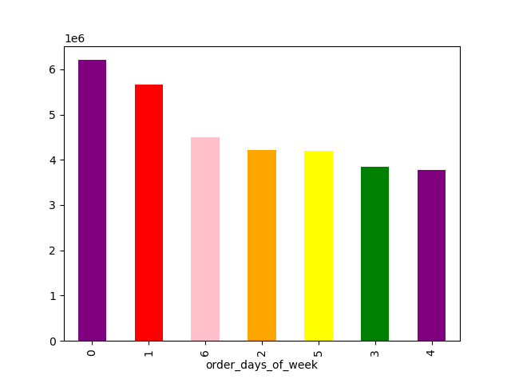


The busiest days are Sunday and Monday. | The busiest hours are during the day, form 9:00 to 16:00, with a peak from 10:00 to 11:00.

The marketing team is curious about the distribution of orders among customers in terms of loyalty | Check whether there’s a difference in expenditure depending on the hour of the day

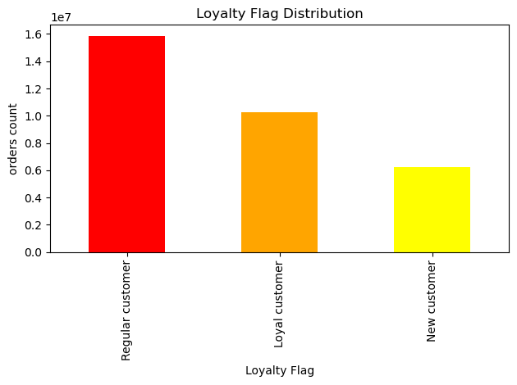
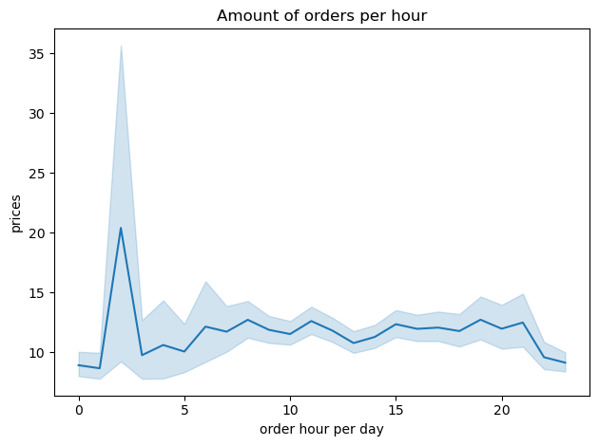

The regular customers are the ones with the highest order count. | The most orders per hour apre placed in the really early morning.

Determine whether there’s a connection between age and family situation | The marketing team wants to know which departments have the highest frequency of product orders

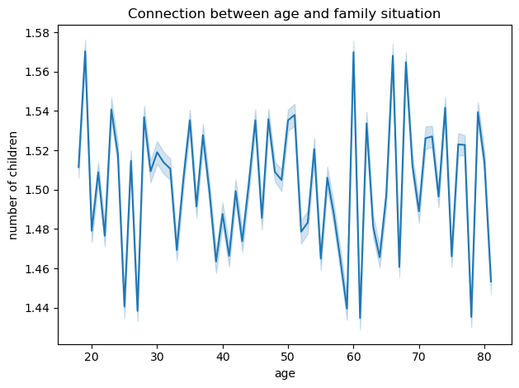
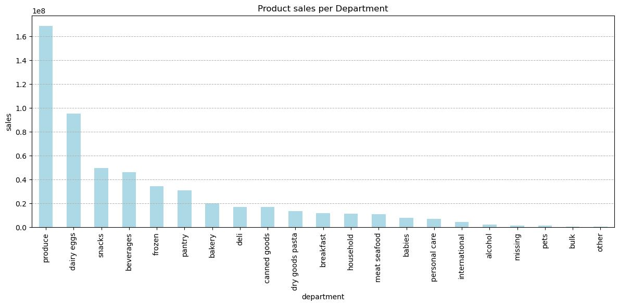

There is no specific connection between age and number of children. The average number of children per person is 1.5. | Produce, dairy eggs and snacks are the departments with the best sales.

Create a profiling variable based on age, income, certain goods in the “department_id” column, and number of dependents

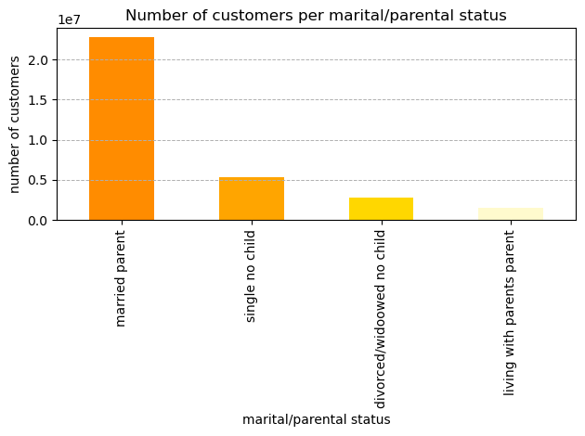
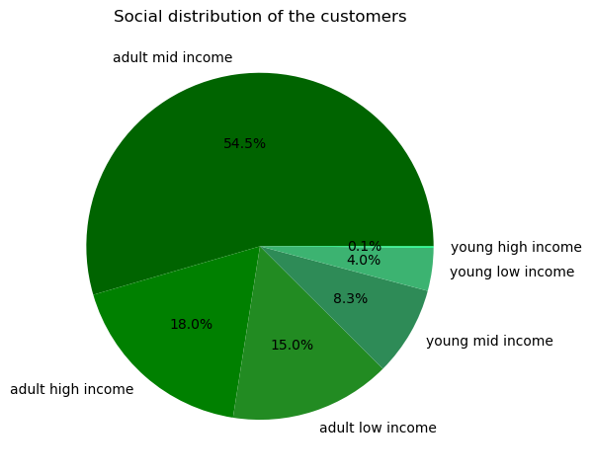

Most of the Instacart clients are married parents. | Adults with mid income are, as expexted, the majority of the clients. Young customers with high income are the minority.

Compare your customer profiles with regions and departments
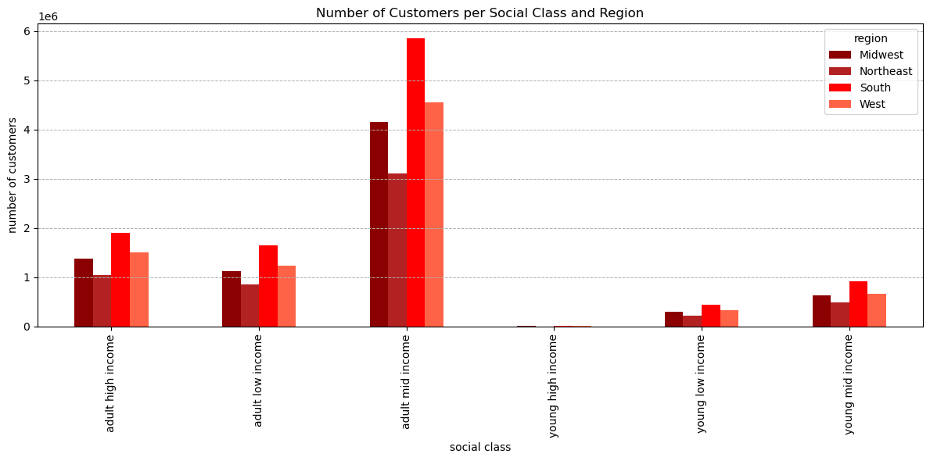

All the customers in the different regions seem to behave in a similar way, The souther region has the highest amount of customer in total.

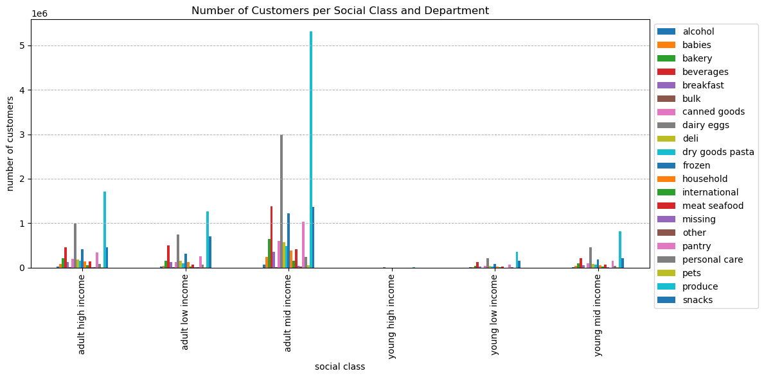

In all the social classes the produce department has the highest sales, followed by dairy and eggs.

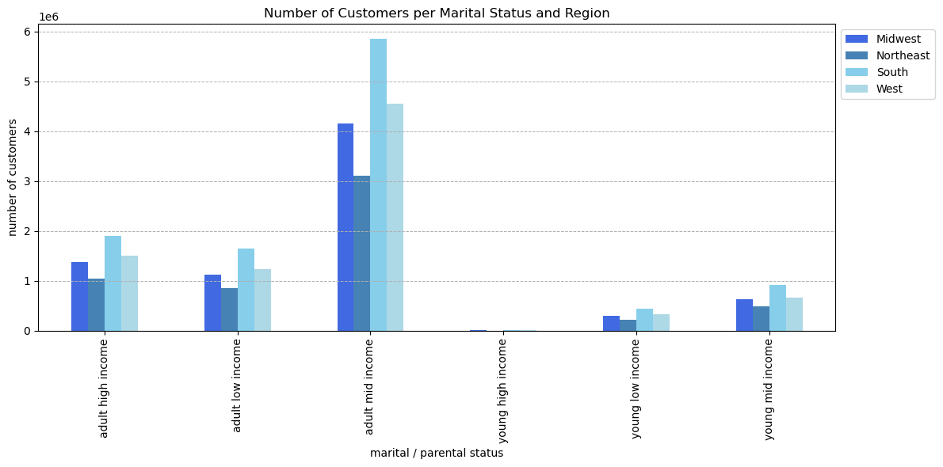

The comparison of the martital / parental status doesn't show any specific regional behaviour. The adults with the mid income are the majority of the customers in all the four regions.

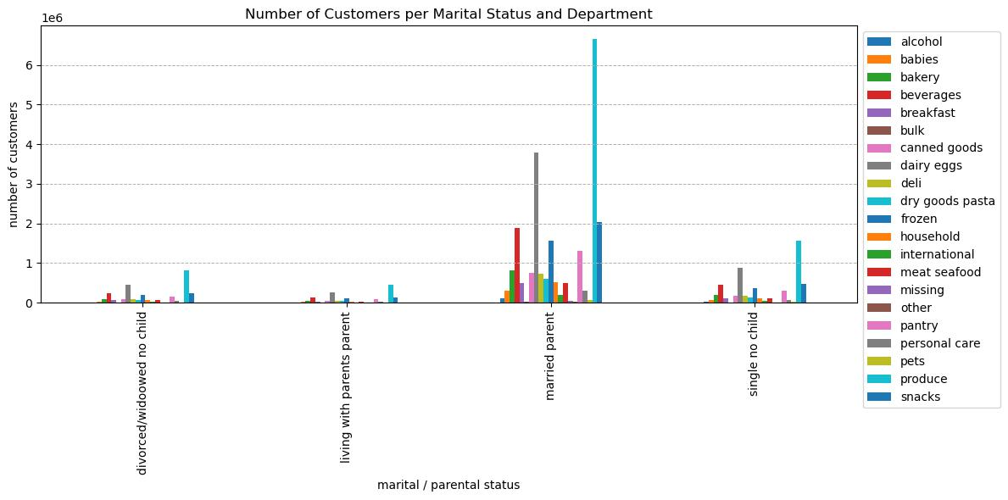

Similarly to what happened with the social class group, here as well, the most consumed products are the in the produce department.

7. Recommendations
 |  | Title page

Recommendations

In this tab you should include any recommendations you would made to Instcart in terms of their marketing strategy based on the questions posed in the brief. Every key question has been covered in the Tasks of the Exercises - here you need to add an item - a visualisation or table/crosstable that is showing the answer in the data, acompanied by a comment from you. Please, list the questions below and add the answer underneath.

Question | Answer
The sales team needs to know what the busiest days of the week and hours of the day are (i.e., the days and times with the most orders) in order to schedule ads at times when there are fewer orders | The busiest days of the week are Sunday and Monday; the least busy is Wednesday. The all day form 09:00 to 16:00 mantains, overall a steady number of sales, but the peak is form 10:00 to 11:00.
The sales team want to know whether there are particular times of the day when people spend the most money, as this might inform the type of products they advertise at these times. | In the really early morning people spend more money on the Instacart products.
Instacart has a lot of products with different price tags. Marketing and sales want to use simpler price range groupings to help direct their efforts. | The Instacart products could be gruped in three cartegories: high range, mid range and low range and the distribution would be the one in the attached image.
Are there certain types of products that are more popular than others? The marketing and sales teams want to know which departments have the highest frequency of product orders. | The departments with the highest sales are: produce, dairy eggs and snacks.
Compare your customer profiles with regions and departments | All the customers in the different regions seem to behave in a similar way, The souther region has the highest amount of customer in total.
 | In all the social classes the produce department has the highest sales, followed by dairy and eggs.
 | The comparison of the martital / parental status doesn't show any specific regional behaviour. The adults with the mid income are the majority of the customers in all the four regions.
 | Similarly to what happened with the social class group, here as well, the most consumed products are the in the produce department.

